assignment
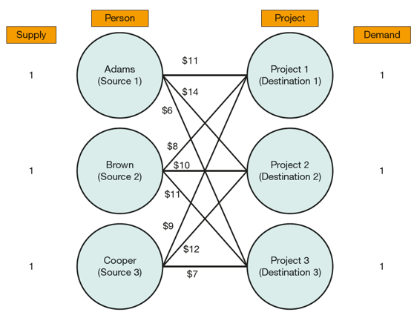
💼 Assignment Cost Table
Person/Project | Job 1 | Job 2 | Job 3 | Job 4
Machine A | 8 | 26 | 17 | 11
Machine B | 13 | 7 | 9 | 19
Machine C | 17 | 12 | 5 | 16
Machine D | 20 | 14 | 13 | 8
💼 Assignment Load Table
Person/Project | Job 1 | Job 2 | Job 3 | Job 4 | ATotal | Sign | Raw Total
Machine A | 1 | 0 | 0 | 0 | 1 | = | 1
Machine B | 0 | 1 | 0 | 0 | 1 | = | 1
Machine C | 0 | 0 | 1 | 0 | 1 | = | 1
Machine D | 0 | 0 | 0 | 1 | 1 | = | 1
ATotal | 1 | 1 | 1 | 1
Sign | = | = | = | =
Column Total | 1 | 1 | 1 | 1

Total cost | 28

